Table S3. Explanation
Test Groups |  | CTL = healthy leaves from unaffected vines.
 |  | ASY = healthy leaves from asymptomatic vines (wood-symptomatic and foliar-asymptomatic).
 |  | SY1 = chlorotic leaves from symptomatic vines.
 |  | SY1 = scorching/spotting leaves from symptomatic vines.

Raw Scale |  | Values are normalized in terms of raw area counts.
 |  | For a single day run, this is equivalent to the raw data.

Scaled Imputed Data |  | Each biochemical in OrigScale is rescaled to set the median equal to 1.
 |  | Then, missing values are imputed with the minimum.

Pathway Heat Map |  | This is the heat map associated with the statistical analysis of the data.
 |  | Indicates ratios, p- and q-values for each comparison.

 |  | 0.55 | Green: indicates significant difference (p≤0.05) between the groups shown, metabolite ratio of negative value
 |  | 0.76 | Light Green: narrowly missed statistical cutoff for significance 0.05<p<0.10, metabolite ratio of negative value
 |  | 1.71 | Red: indicates significant difference (p≤0.05) between the groups shown; metabolite ratio of positive value
 |  | 1.32 | Light Red: narrowly missed statistical cutoff for significance 0.05<p<0.10, metabolite ratio of positive value
 |  | 1.20 | Non-colored text and cell: mean values are not significantly different for that comparison

 | “lipid species name*” Indicates a compound that has not been confirmed based on a standard, but we are confident in its identity.
 | “lipid species name**” Indicates a compound for which a standard is not available, but we are reasonably confident in its identity or the information provided.
 | “lipid species name (#) or biochemical name [#]” indicates a compound that is a structural isomer of another compound in the Metabolon spectral library; for example, a steroid that may be sulfated at one of several positions that are indistinguishable by the mass spectrometry data or a diacylglycerol for which more than one stereospecific molecule exists.

Box Plots - Pathway |  | Box plots are provided for each biochemical detected, sorted by biochemical pathway.

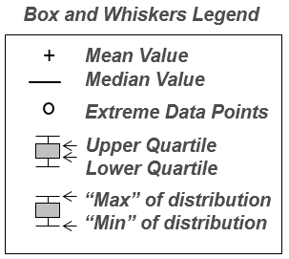

Figure S1. Box-whisker Plots
 | Lipid Name | Sub-Pathway | No
 | 2-hydroxybutyrate/2-hydroxyisobutyrate | Fatty acid, hydroxy | 001
 | 2S,3R-dihydroxybutyrate | Fatty acid, hydroxy | 002
 | 2,3-dihydroxy-2-methylbutyrate | Fatty acid, hydroxy | 003
 | 3-hydroxybutyrate (BHBA) | Fatty acid, hydroxy | 004
 | 2,4-dihydroxybutyrate | Fatty acid, hydroxy | 005
 | 3-hydroxyadipate* | Fatty acid, hydroxy | 006
 | 2R,3R-dihydroxybutyrate | Fatty acid, hydroxy | 007
 | linolenoyl ethanolamide | Fatty acid amide | 008
 | N,N-dimethyl-5-aminovalerate | Fatty acid, Amino | 009
 | N,N,N-trimethyl-5-aminovalerate | Fatty acid, Amino | 010
 | malonate | Fatty acid, Dicarboxylate | 011
 | dimethylmalonic acid | Fatty acid, Dicarboxylate | 012
 | ethylmalonate | Fatty acid, Dicarboxylate | 013
 | glutarate (C5-DC) | Fatty acid, Dicarboxylate | 014
 | 3-methylglutarate/2-methylglutarate | Fatty acid, Dicarboxylate | 015
 | adipate (C6-DC) | Fatty acid, Dicarboxylate | 016
 | suberate (C8-DC) | Fatty acid, Dicarboxylate | 017
 | azelate (C9-DC) | Fatty acid, Dicarboxylate | 018
 | sebacate (C10-DC) | Fatty acid, Dicarboxylate | 019
 | 1-palmitoyl-2-linoleoyl-GPA (16:0/18:2)* | Phospholipids | 020
 | 1-palmitoyl-2-linolenoyl-GPA (16:0/18:3)* | Phospholipids | 021
 | 1-linoleoyl-2-linolenoyl-GPA (18:2/18:3)* | Phospholipids | 022
 | 1,2-dilinolenoyl-GPA (18:3/18:3)* | Phospholipids | 023
 | 1-myristoyl-2-arachidonoyl-GPC (14:0/20:4)* | Phospholipids | 024
 | 1,2-dipalmitoyl-GPC (16:0/16:0) | Phospholipids | 025
 | 1-palmitoyl-2-oleoyl-GPC (16:0/18:1) | Phospholipids | 026
 | 1-palmitoyl-2-linoleoyl-GPC (16:0/18:2) | Phospholipids | 027
 | 1-palmitoyl-2-alpha-linolenoyl-GPC (16:0/18:3n3)* | Phospholipids | 028
 | 1-palmitoleoyl-2-linolenoyl-GPC (16:1/18:3)* | Phospholipids | 029
 | 1-stearoyl-2-oleoyl-GPC (18:0/18:1) | Phospholipids | 030
 | 1-stearoyl-2-linoleoyl-GPC (18:0/18:2)* | Phospholipids | 031
 | 1-oleoyl-2-linoleoyl-GPC (18:1/18:2)* | Phospholipids | 032
 | 1,2-dilinoleoyl-GPC (18:2/18:2) | Phospholipids | 033
 | 1-linoleoyl-2-linolenoyl-GPC (18:2/18:3)* | Phospholipids | 034
 | 1,2-dilinolenoyl-GPC (18:3/18:3)* | Phospholipids | 035
 | 1-palmitoyl-2-linoleoyl-GPE (16:0/18:2) | Phospholipids | 036
 | 1-palmitoyl-2-oleoyl-GPE (16:0/18:1) | Phospholipids | 037
 | 1-stearoyl-2-linoleoyl-GPE (18:0/18:2)* | Phospholipids | 038
 | 1-oleoyl-2-linoleoyl-GPE (18:1/18:2)* | Phospholipids | 039
 | 1,2-dilinoleoyl-GPE (18:2/18:2)* | Phospholipids | 040
 | 1,2-dipalmitoyl-GPG (16:0/16:0) | Phospholipids | 041
 | 1-palmitoyl-2-oleoyl-GPG (16:0/18:1) | Phospholipids | 042
 | 1-palmitoyl-GPA (16:0) | Lyso-phospholipids | 043
 | 1-palmitoyl-GPC (16:0) | Lyso-phospholipids | 044
 | 1-stearoyl-GPC (18:0) | Lyso-phospholipids | 045
 | 1-oleoyl-GPC (18:1) | Lyso-phospholipids | 046
 | 1-linoleoyl-GPC (18:2) | Lyso-phospholipids | 047
 | 1-linolenoyl-GPC (18:3)* | Lyso-phospholipids | 048
 | 1-palmitoyl-GPE (16:0) | Lyso-phospholipids | 049
 | 1-stearoyl-GPE (18:0) | Lyso-phospholipids | 050
 | 1-linoleoyl-GPE (18:2)* | Lyso-phospholipids | 051
 | 1-palmitoyl-GPG (16:0)* | Lyso-phospholipids | 052
 | 1-palmitoyl-GPI (16:0) | Lyso-phospholipids | 053
 | glycerol 3-phosphate | Phospholipid Metabolism | 054
 | phosphoethanolamine | Phospholipid Metabolism | 055
 | glycerophosphoethanolamine | Phospholipid Metabolism | 056
 | glycerophosphorylcholine (GPC) | Phospholipid Metabolism | 057
 | glycerophosphoinositol* | Phospholipid Metabolism | 058
 | glycerophosphoglycerol | Phospholipid Metabolism | 059
 | glycerophosphoserine* | Phospholipid Metabolism | 060
 | choline | Choline metabolism | 061
 | choline phosphate | Choline metabolism | 062
 | betaine | Choline metabolism | 063
 | 2-dimethylaminoethanol | Choline metabolism | 064
 | glycerol | Glycerolipid Metabolism | 065
 | 1-palmitoylglycerol (16:0) | Glycerolipids - Monoacyl | 066
 | 1-linoleoylglycerol (18:2) | Glycerolipids - Monoacyl | 067
 | 1-linolenoylglycerol (18:3) | Glycerolipids - Monoacyl | 068
 | 2-linoleoylglycerol (18:2) | Glycerolipids - Monoacyl | 069
 | palmitoyl-linolenoyl-glycerol (16:0/18:3) [2]* | Glycerolipids - Diacyl | 070
 | linoleoyl-linolenoyl-glycerol (18:2/18:3) [2]* | Glycerolipids - Diacyl | 071
...
 | Lipid Name | Sub-Pathway | No
 | pheophorbide A | Chlorophyll and carotenoid metabolism | 112
 | pheophytin A | Chlorophyll and carotenoid metabolism | 113
 | 3-hydroxy-3-methylglutarate | Chlorophyll and carotenoid metabolism | 114
 | carotene diol (1) | Chlorophyll and carotenoid metabolism | 115
 | carotene diol (2) | Chlorophyll and carotenoid metabolism | 116
 | beta-cryptoxanthin | Chlorophyll and carotenoid metabolism | 117
 | oleanolate | Chlorophyll and carotenoid metabolism | 118
 | abscisate | Hormone metabolism | 119
 | salicylate | Hormone metabolism | 120
 | salicylate-glucoside | Hormone metabolism | 121
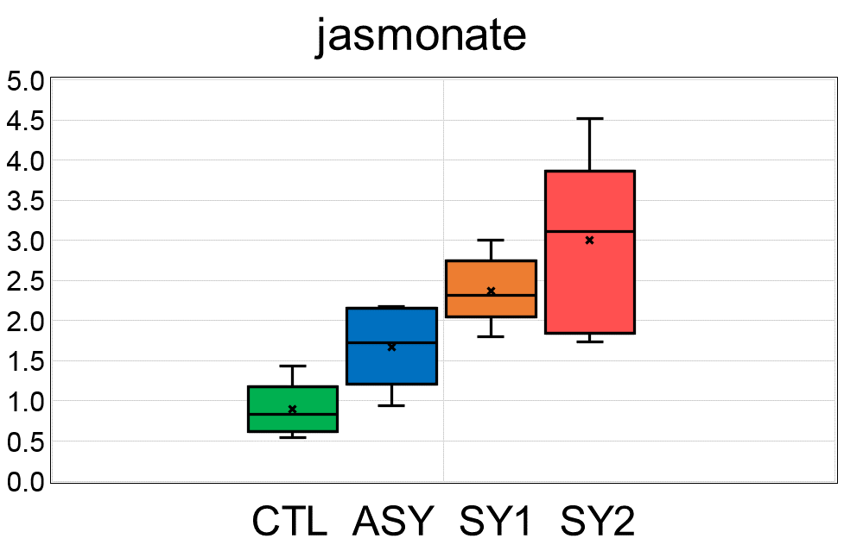 | Jasmonate | Hormone metabolism | 122
 | caproic acid | Fatty acids, free saturated | 123
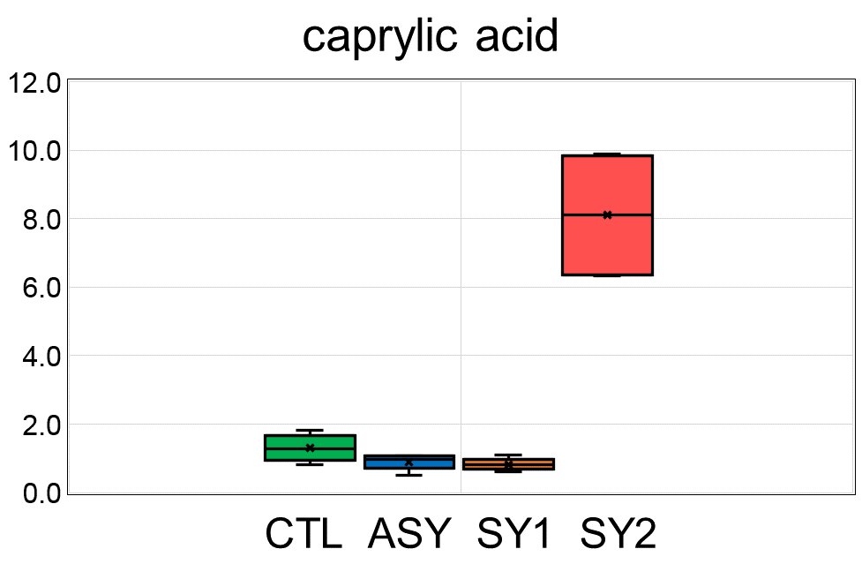 | caprylic acid | Fatty acids, free saturated | 124
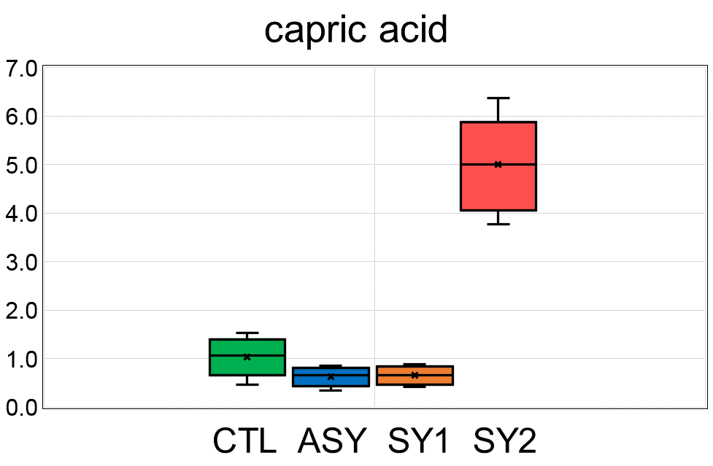 | capric acid | Fatty acids, free saturated | 125
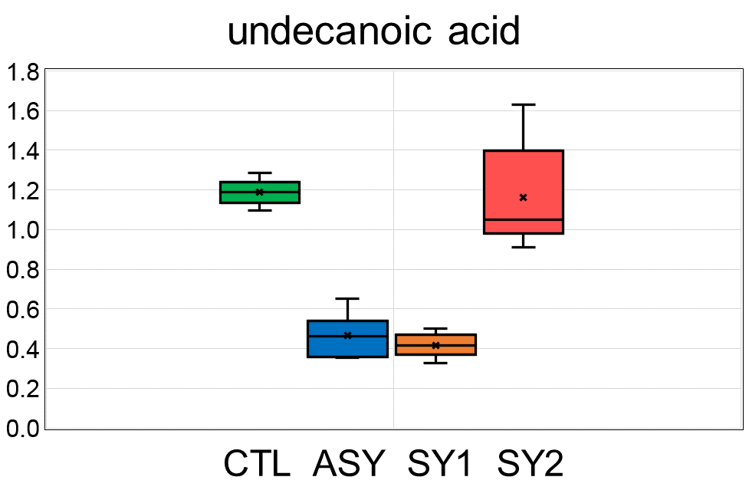 | undecanoic acid | Fatty acids, free saturated | 126
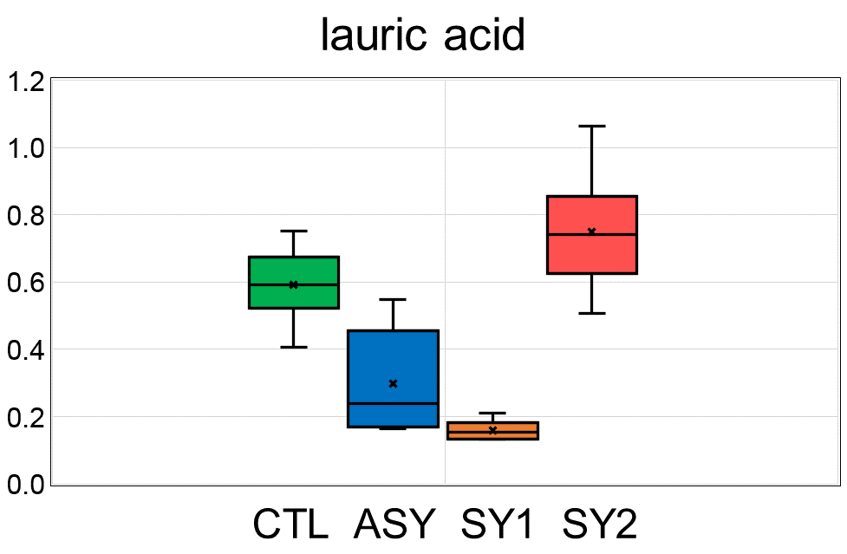 | lauric acid | Fatty acids, free saturated | 127
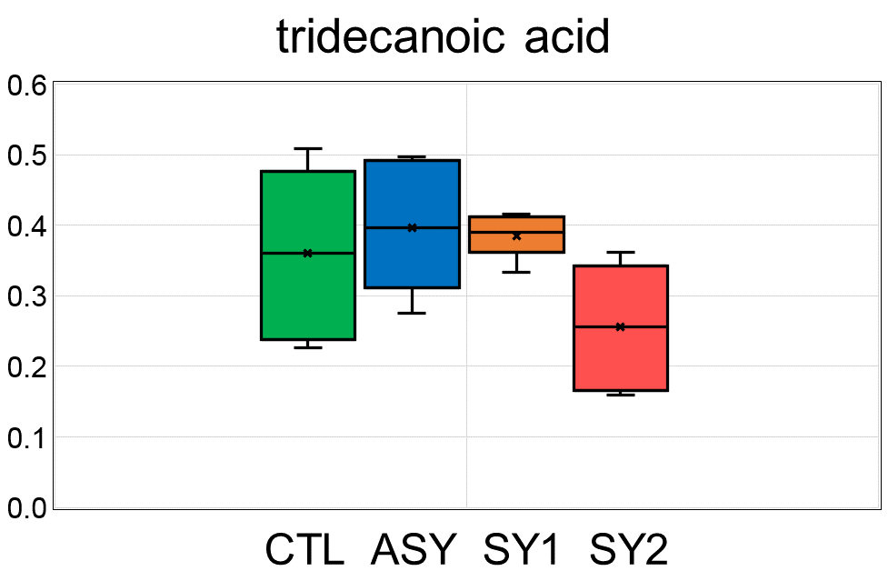 | tridecanoic acid | Fatty acids, free saturated | 128
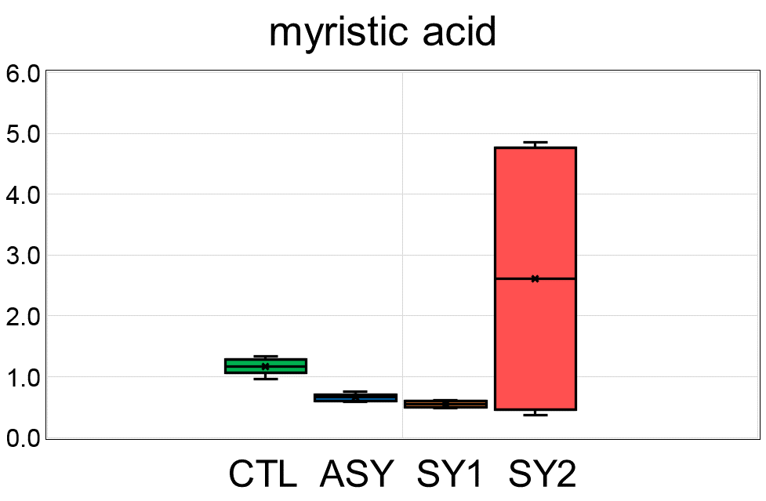 | myristic acid | Fatty acids, free saturated | 129
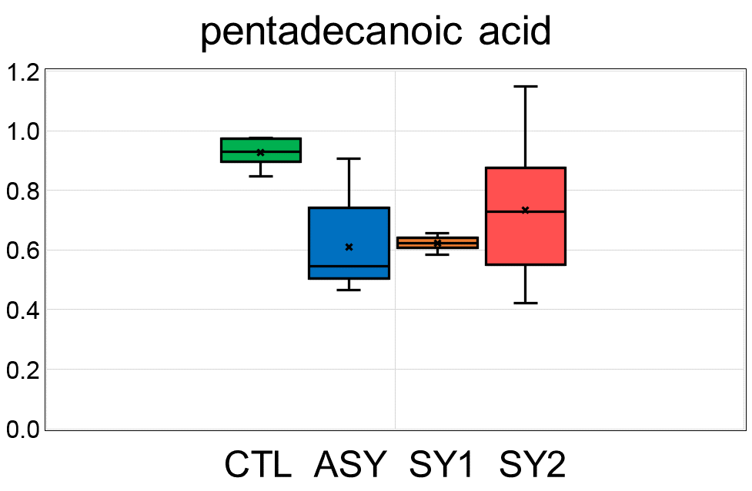 | pentadecanoic acid | Fatty acids, free saturated | 130
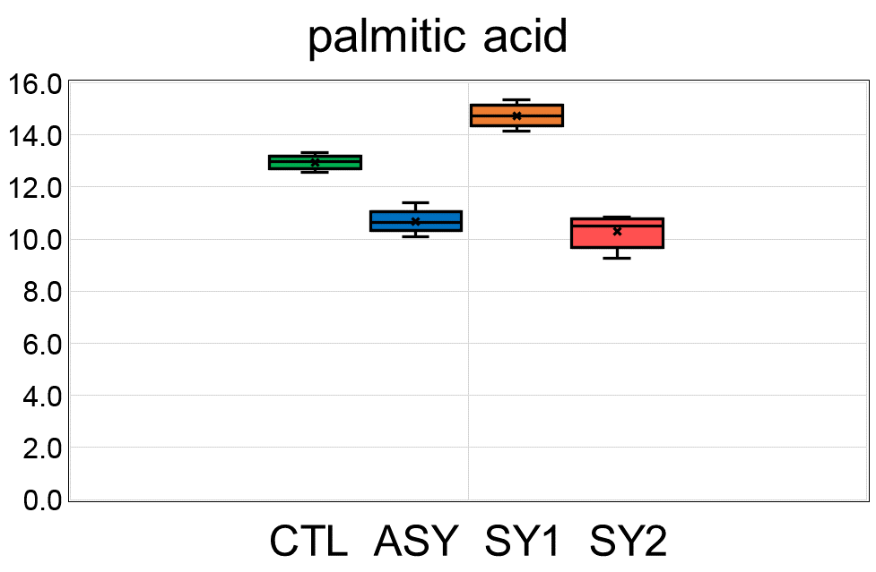 | palmitic acid | Fatty acids, free saturated | 131
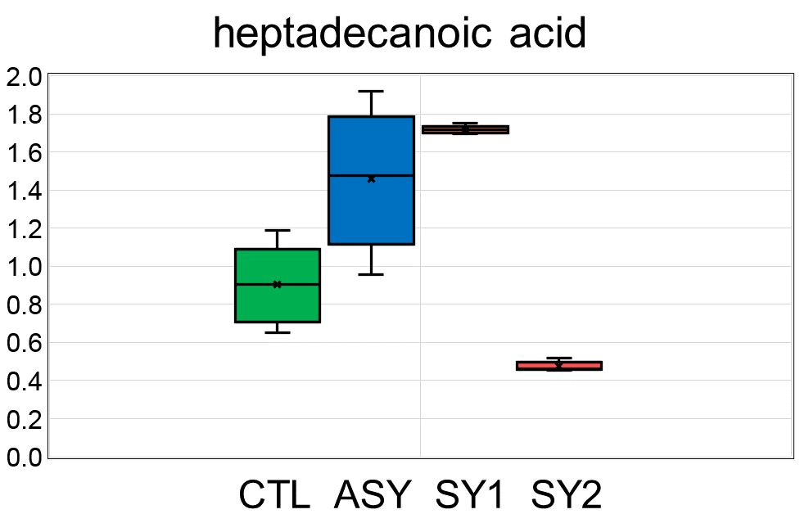 | heptadecanoic acid | Fatty acids, free saturated | 132
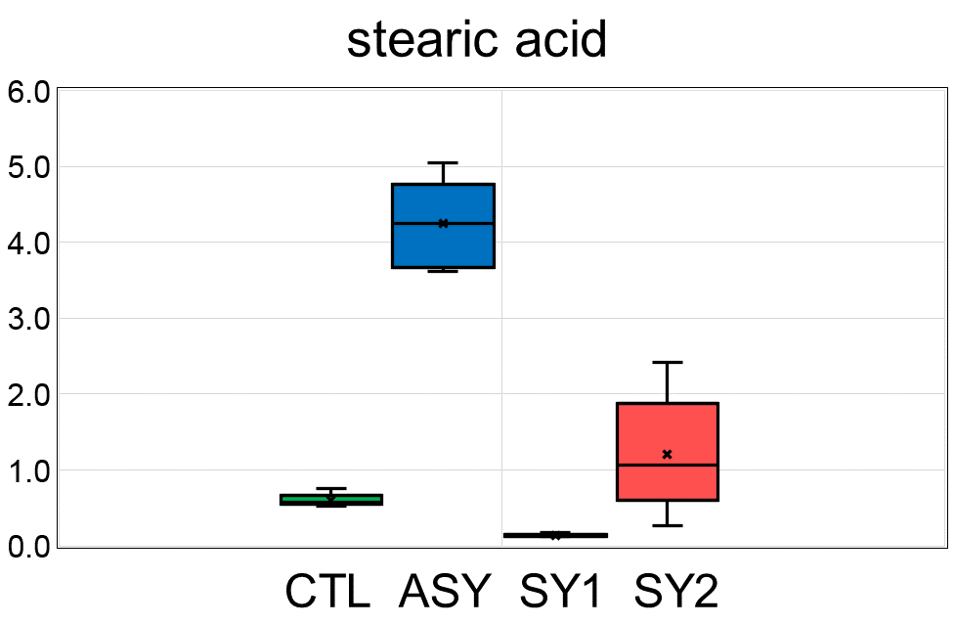 | stearic acid | Fatty acids, free saturated | 133
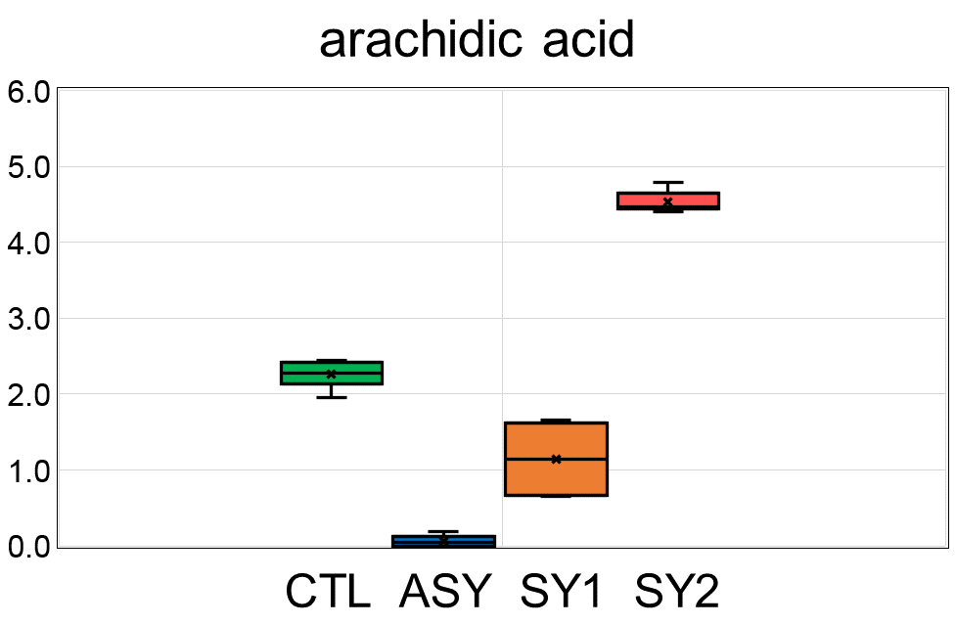 | arachidic acid | Fatty acids, free saturated | 134
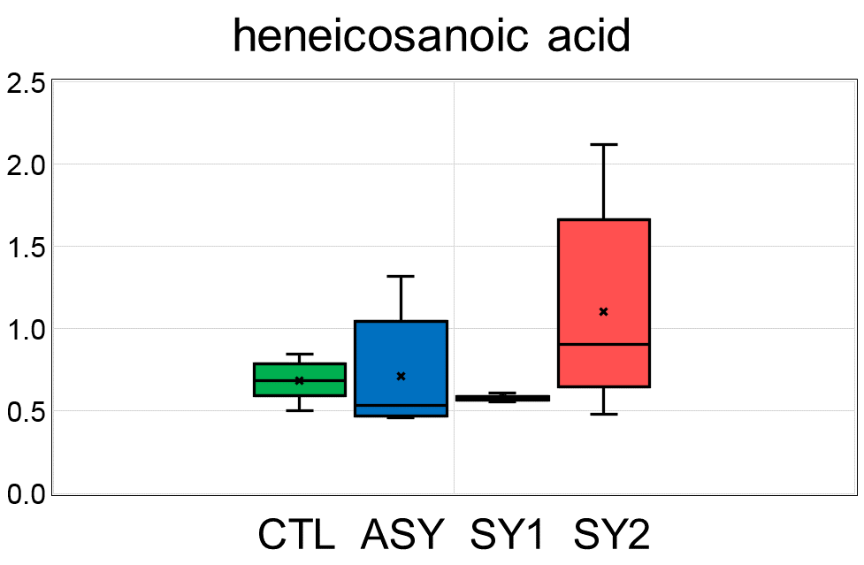 | heneicosanoic acid | Fatty acids, free saturated | 135
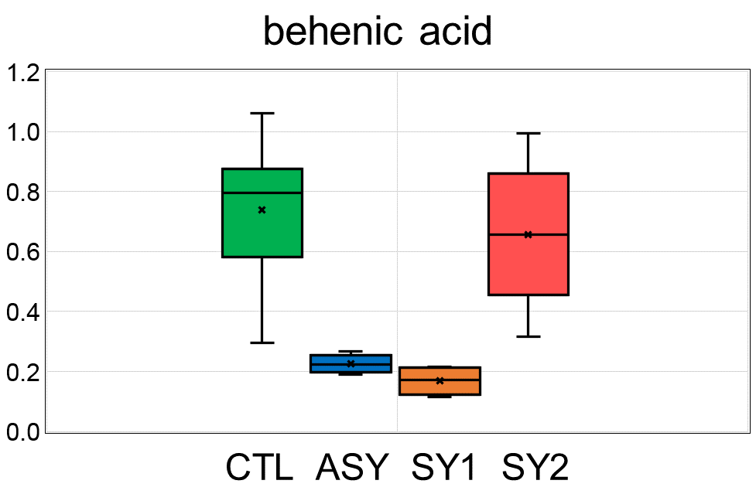 | behenic acid | Fatty acids, free saturated | 136
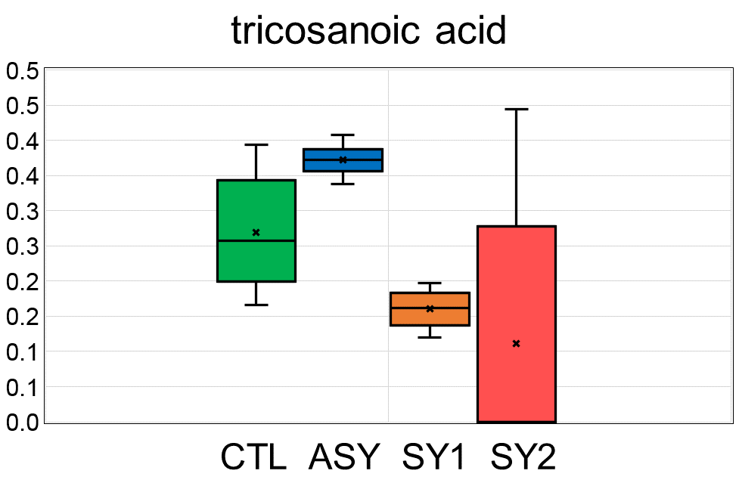 | tricosanoic acid | Fatty acids, free saturated | 137
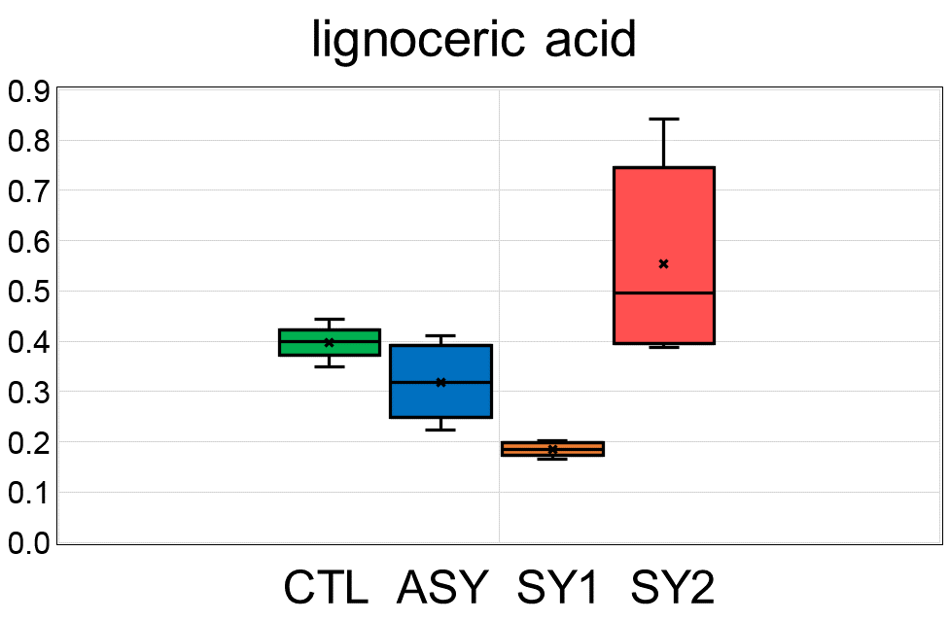 | lignoceric acid | Fatty acids, free saturated | 138
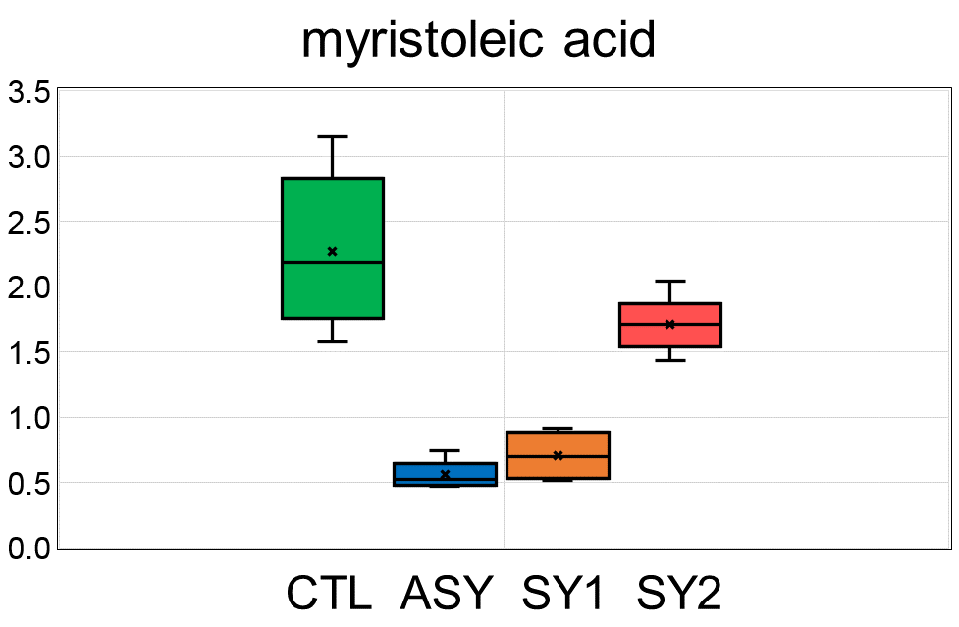 | myristoleic acid | Fatty acids, free unsaturated | 139
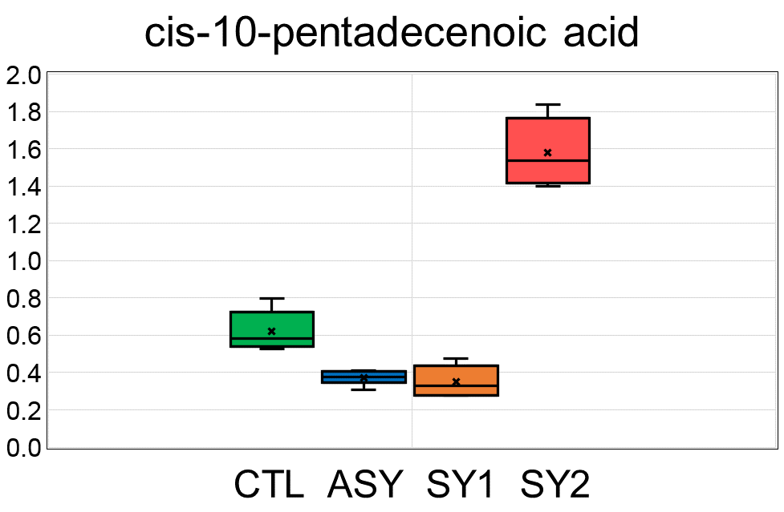 | cis-10-pentadecenoic acid | Fatty acids, free unsaturated | 140
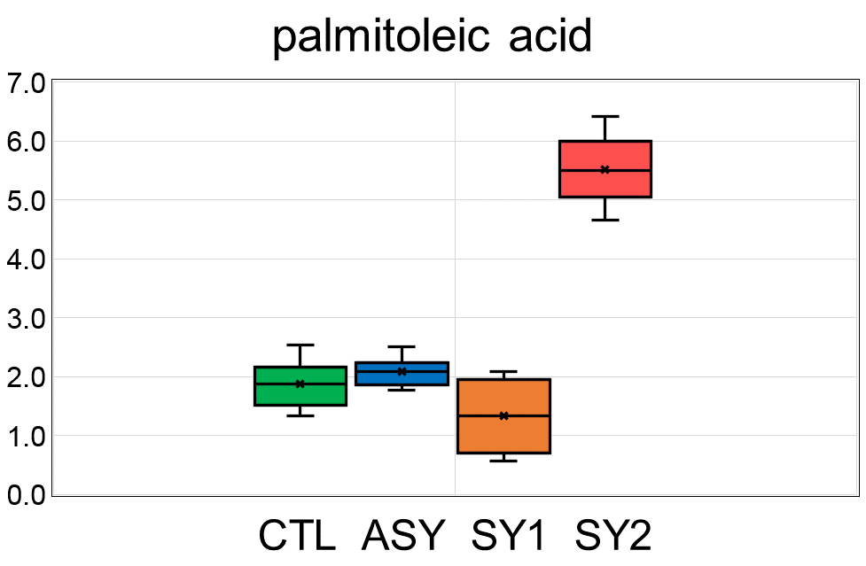 | palmitoleic acid | Fatty acids, free unsaturated | 141
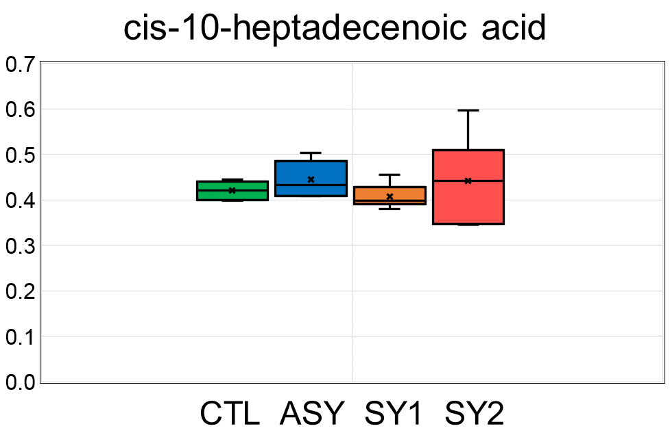 | cis-10-heptadecenoic acid | Fatty acids, free unsaturated | 142
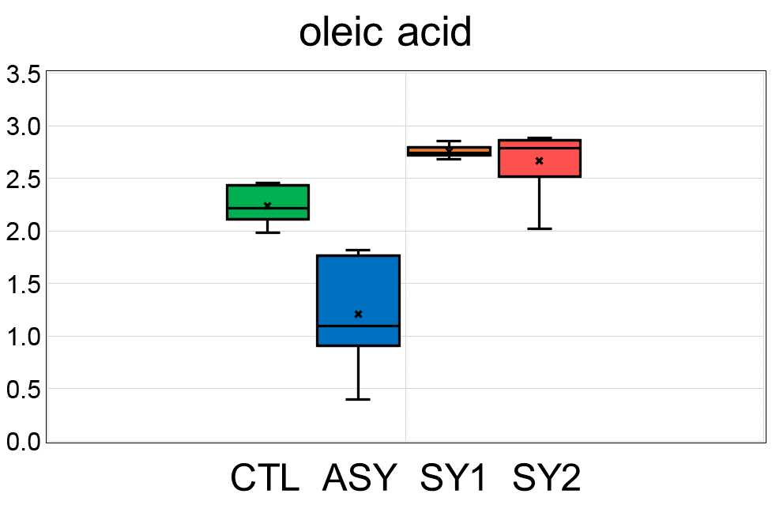 | oleic acid | Fatty acids, free unsaturated | 143
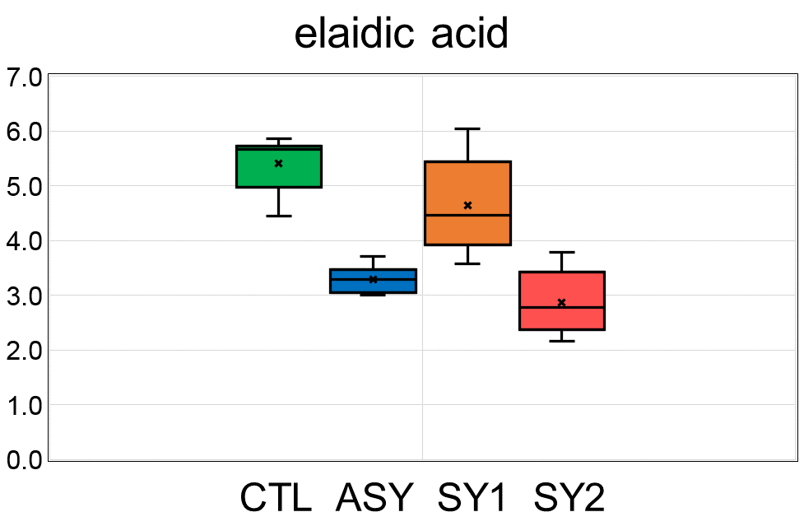 | elaidic acid | Fatty acids, free unsaturated | 144
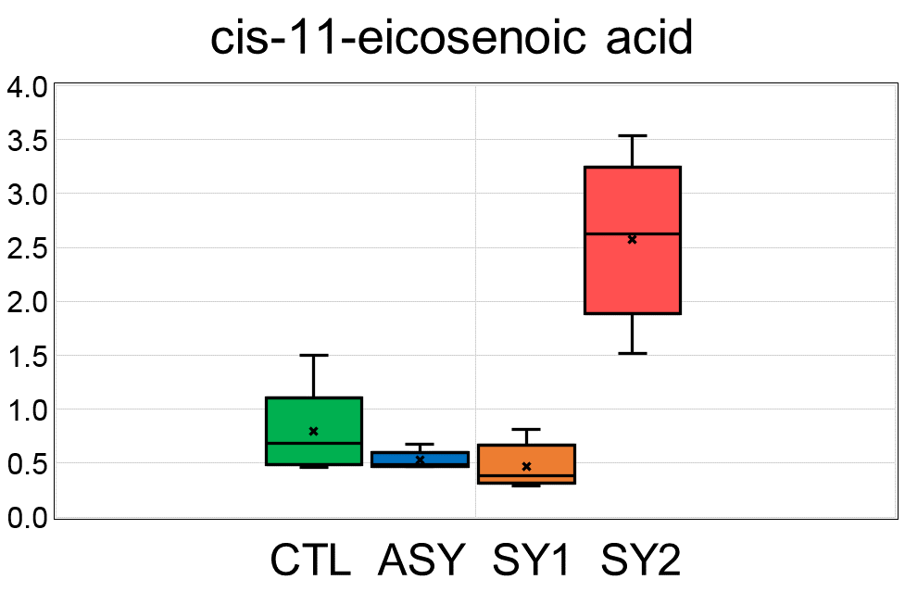 | cis-11-eicosenoic acid | Fatty acids, free unsaturated | 145
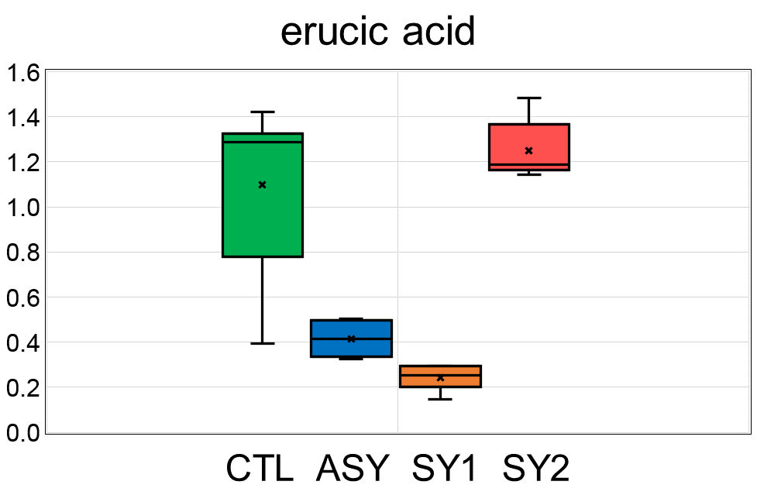 | erucic acid | Fatty acids, free unsaturated | 146
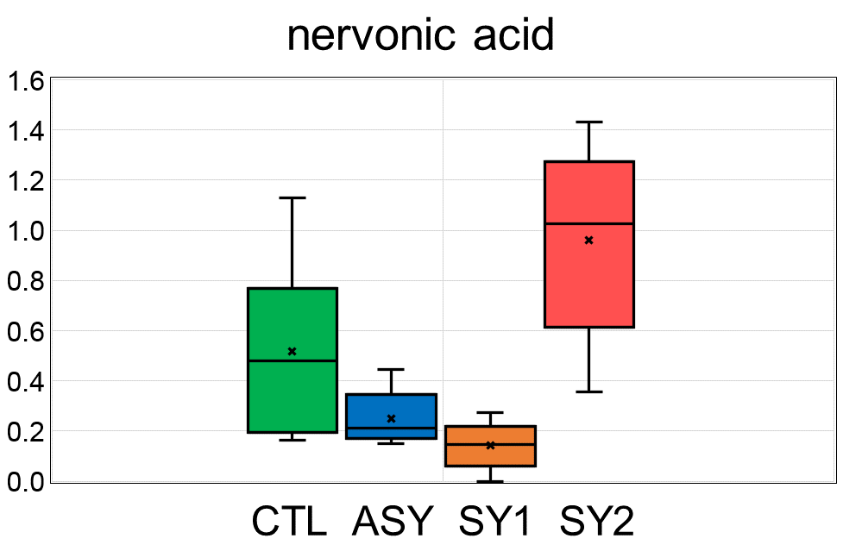 | nervonic acid | Fatty acids, free unsaturated | 147
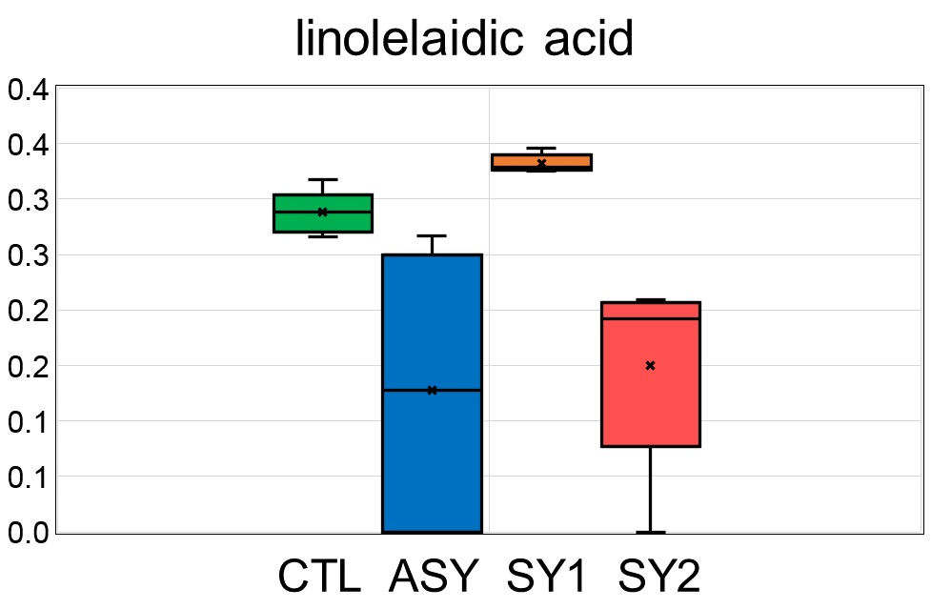 | linolelaidic acid | Fatty acids, free unsaturated | 148
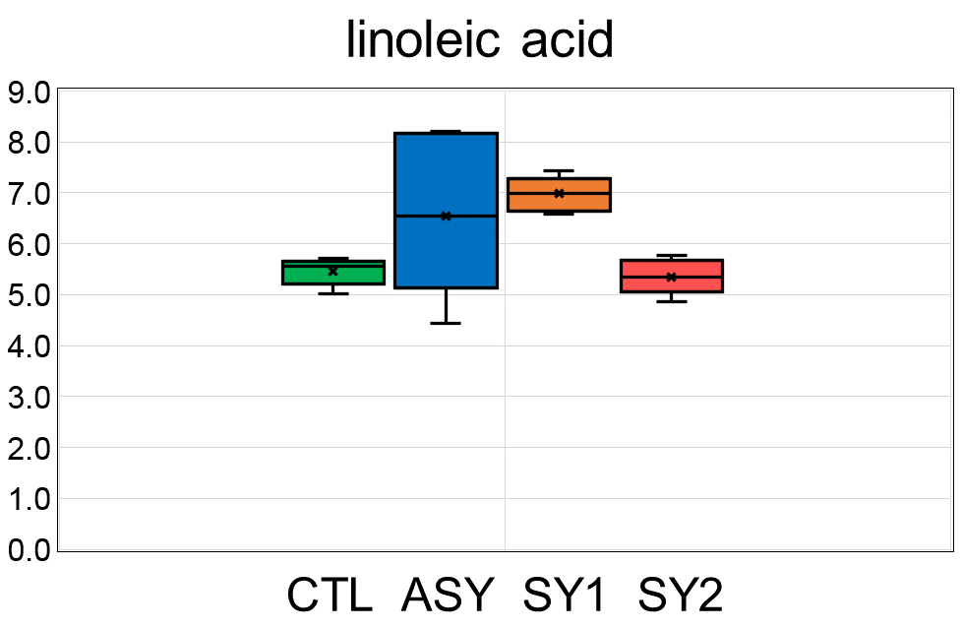 | linoleic acid | Fatty acids, free unsaturated | 149
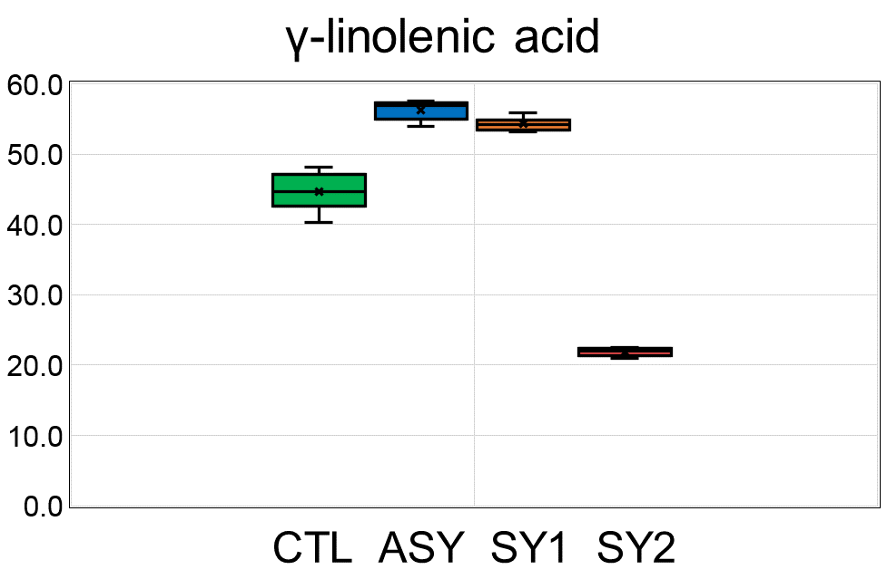 | γ-linolenic acid | Fatty acids, free unsaturated | 150
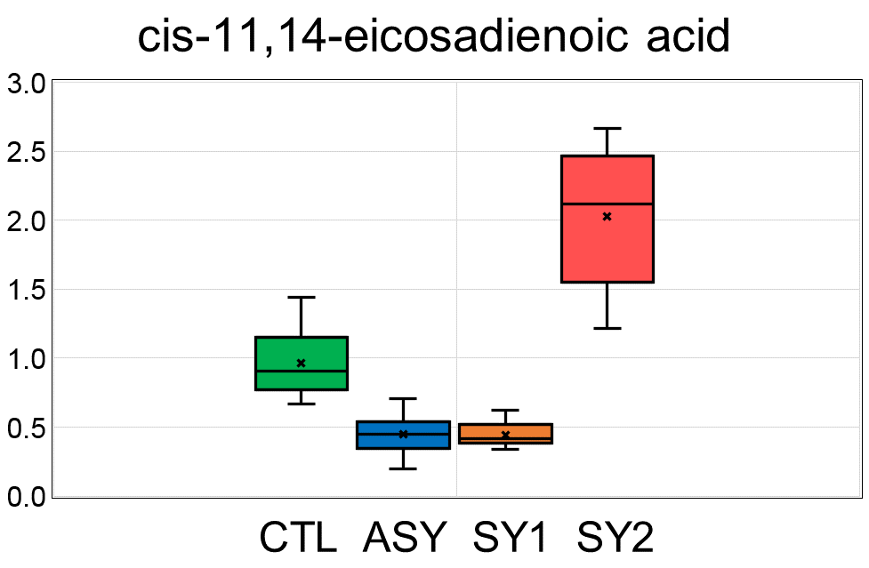 | cis-11,14-eicosadienoic acid | Fatty acids, free unsaturated | 151
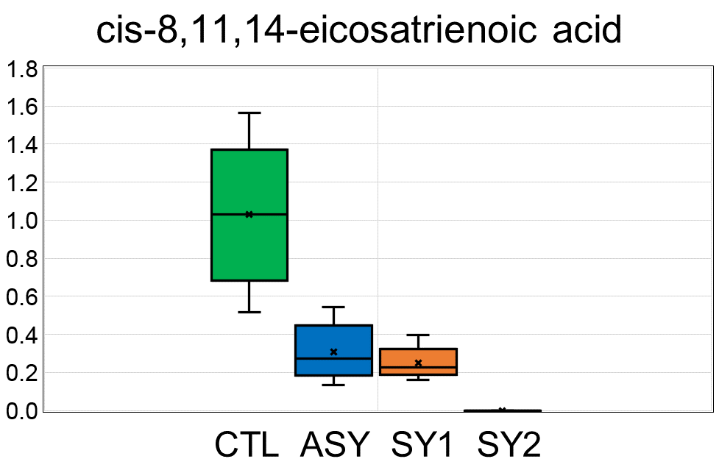 | cis-8,11,14-eicosatrienoic acid | Fatty acids, free unsaturated | 152
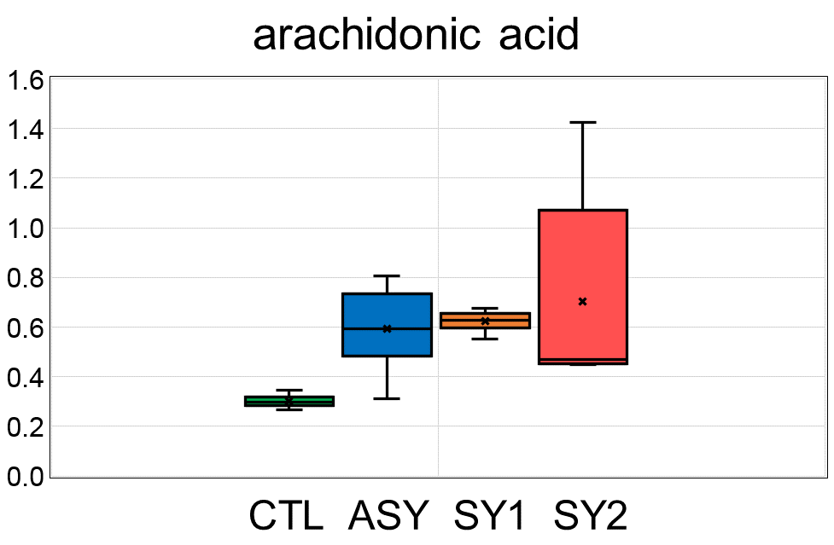 | arachidonic acid | Fatty acids, free unsaturated | 153
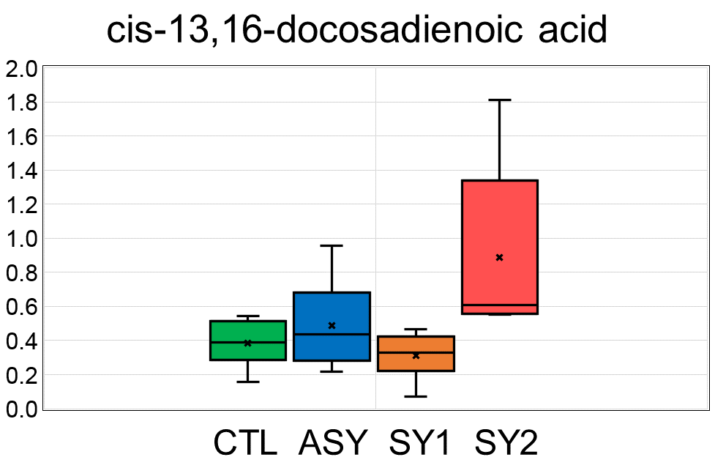 | cis-13,16-docosadienoic acid | Fatty acids, free unsaturated | 154
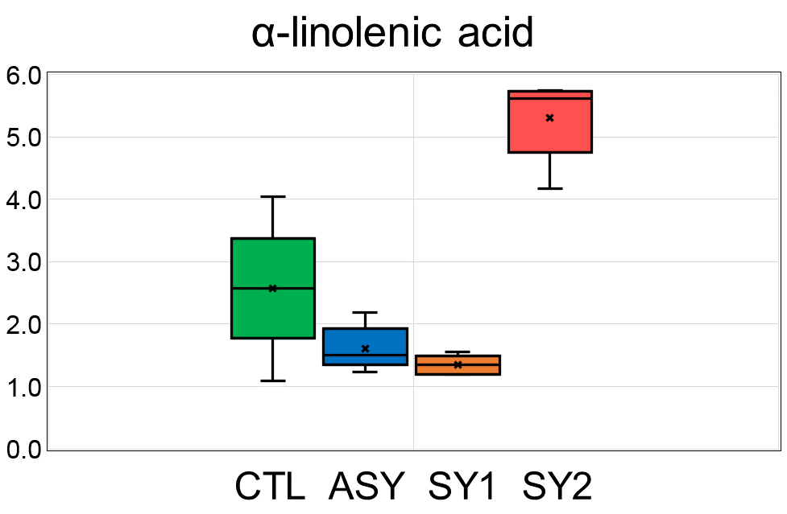 | α-linolenic acid | Fatty acids, free unsaturated | 155
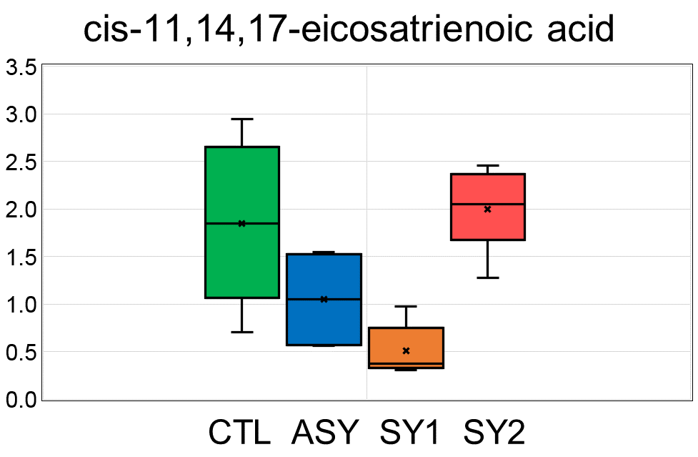 | cis-11,14,17-eicosatrienoic acid | Fatty acids, free unsaturated | 156
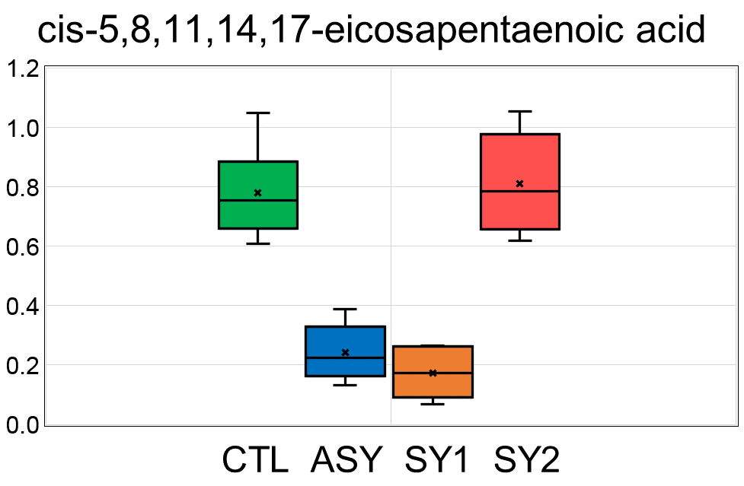 | cis-5,8,11,14,17-eicosapentaenoic acid | Fatty acids, free unsaturated | 157
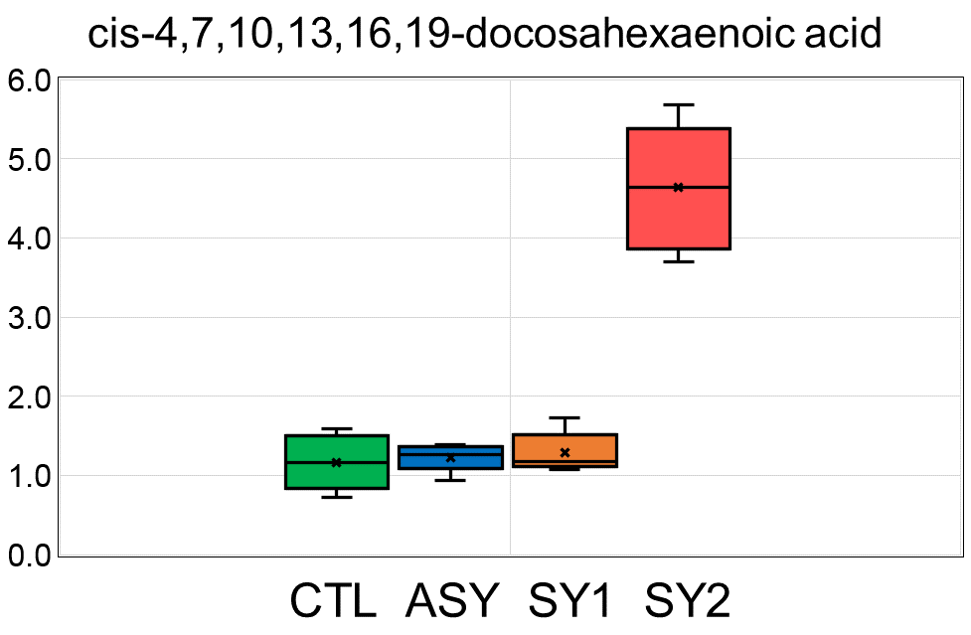 | cis-4,7,10,13,16,19-docosahexaenoic acid | Fatty acids, free unsaturated | 158
 | X - 23440 | Unknown | 159
 | X - 23447 | Unknown | 160
 | X - 23470 | Unknown | 161
 | X - 23484 | Unknown | 162
 | X - 23512 | Unknown | 163
 | X - 23522 | Unknown | 164
 | X - 23528 | Unknown | 165
 | X - 23536 | Unknown | 166
 | X - 23549 | Unknown | 167
 | X - 23557 | Unknown | 168
...

