index
 | SYSTEMATIC REVIEW - EXOSKELETONS AS A CONTRIBUTION TO OCCUPATIONAL HEALTH AND SAFETY: A SCOPING REVIEW

OMAR FLOR-UNDA¹, BREGITH CASA, PATRICIA ACOSTA-VARGAS^{1,2}, AND MAURICIO FUENTES³
¹Ingeniería Industrial, Facultad de Ingeniería y Ciencias Aplicadas, Universidad de las Américas, Quito 170125, Ecuador
²Department of Software and Computing Systems, University of Alicante, 03690 Alicante, Spain
³Ingeniería en Diseño Industrial, Facultad de Ingeniería y Ciencias Aplicadas, Universidad del Ecuador
Corresponding author: Patricia Acosta-Vargas (e-mail: patricia.acosta@udla.edu.ec)
This work was supported by the Universidad de Las Américas-Ecuador under Grant INI.PAV.22.02.

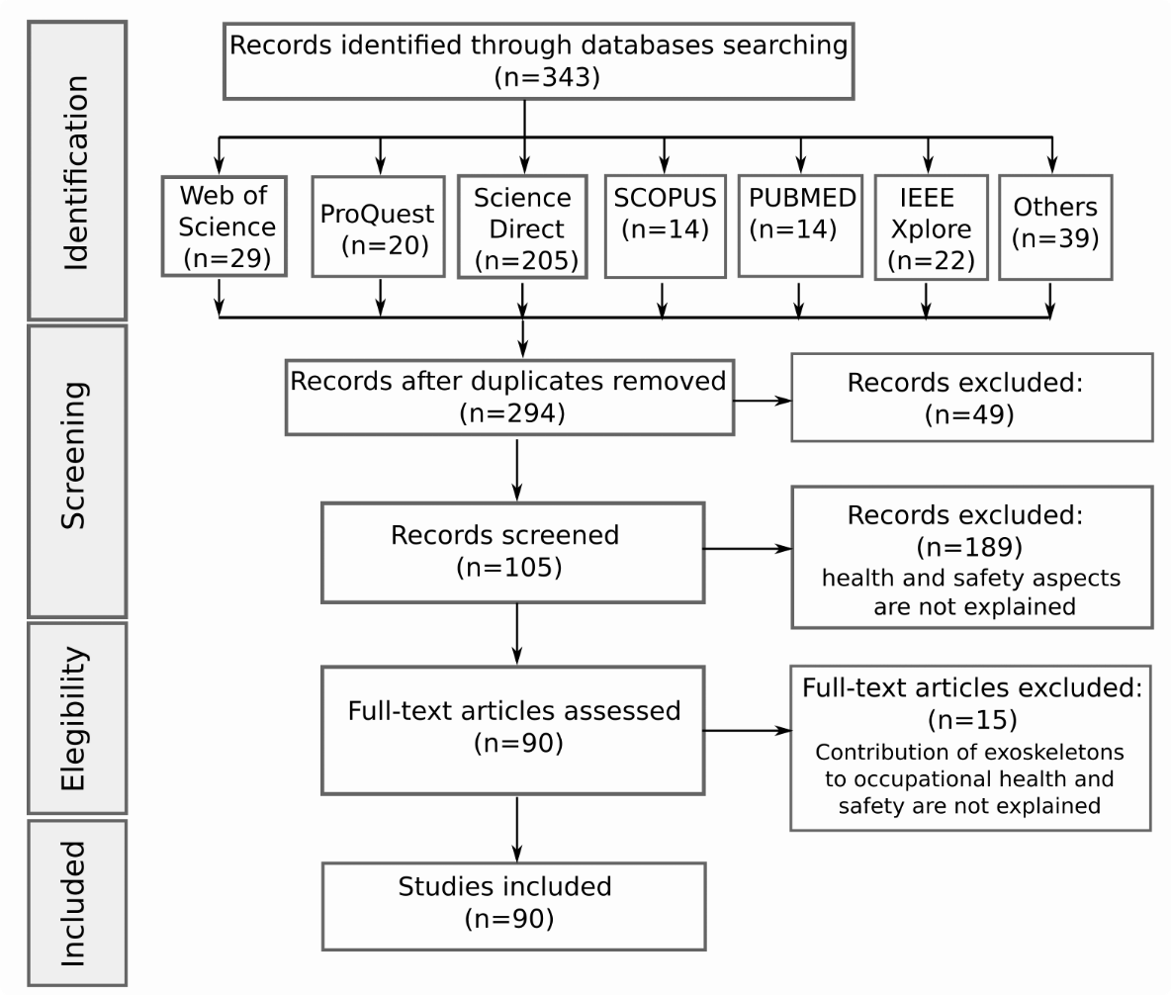

1 | Selection of 343 scientific articles
2 | Extraction of 90 scientific articles
3 | Research questions and motivation
4 | Search string applied
5 | Quality Assesment
6 | Quality Assesment Questions
7 | Cohen's Kappa
8 | Documents by database
9 | Selected scientific articles and quality assessment outcomes
10 | Summary of primary studies, key words and answers to research questions
11 | Keywords
15 | Cloud of most frequently repeated keywords
16 | PRISMA-ScR CHECKLIST ITEM

8
Index
 | Documents by database

 |  |  |  |  | Database | papers | %
 |  |  |  |  | Science Direct | 20 | 26.7
 |  |  |  |  | PubMed | 18 | 24.0
 |  |  |  |  | Others | 15 | 20.0
 |  |  |  |  | IEEE | 13 | 17.3
 |  |  |  |  | Springer | 9 | 12.0
 |  |  |  |  | MDPI | 9 | 12.0
 |  |  |  |  | Taylor & Francis | 6 | 8.0
 | Reference | Title | Year | Database | Sum | 90
 | 8 | Equivalent weight: Connecting exoskeleton effectiveness with ergonomic risk during manual material handling | 2021 | PubMed
 | 2 | Wearable Exoskeletons on the Workplaces: Knowledge, Attitudes and Perspectives of Health and Safety Managers on the implementation of exoskeleton technology in Northern Italy | 2021 | PubMed
 |  | Supporting Surgical Teams: Identifying Needs and Barriers for Exoskeleton Implementation in the Operating Room | 2020 | PubMed
 | 10 | Industrial exoskeletons: Need for intervention effectiveness research | 2020 | PubMed
 | 11 | The use of exoskeletons in the occupational context for primary, secondary, and tertiary prevention of work-related musculoskeletal complaints | 2020 | PubMed
 | 44 | The effect of a passive trunk exoskeleton on metabolic costs during lifting and walking | 2019 | PubMed
 |  | Assessing the influence of a passive, upper extremity exoskeletal vest for tasks requiring arm elevation: Part II â€“ â€œUnexpectedâ€� effects on shoulder motion, balance, and spine loading | 2018 | EuropePMC
 | 3 | Next-generation collaborative robotic systems for industrial safety and health | 2018 | Witpress
 |  | A robotic wearable exoskeleton for construction worker's safety and health | 2018 | ASCE
 | 19 | Potential of Exoskeleton Technologies to Enhance Safety, Health, and Performance in Construction: Industry Perspectives and Future Research Directions | 2019 | Taylor & Francis
 | 7 | Methodologies for evaluating exoskeletons with industrial applications | 2022 | Taylor & Francis
 | 51 | A Systematic Review of Industrial Exoskeletons for Injury Prevention: Efficacy Evaluation Metrics, Target Tasks, and Supported Body Postures | 2022 | PubMed
 | 5 | The Potential for Exoskeletons to Improve Health and Safety in Agriculture-Perspectives from Service Providers | 2019 | Taylor & Francis
 |  | Exoskeletons - a review of industrial applications | 2018 | Emerald
 |  | Assessment of a passive exoskeleton system on spinal biomechanics and subjective responses during manual repetitive handling tasks among construction workers | 2021 | Science Direct
 |  | Exoskeletons for industrial application and their potential effects on physical work load | 2016 | PubMed
 | 8 | Equivalent Weight: Connecting Exoskeleton Effectiveness with Ergonomic Risk during Manual Material Handling | 2021 | PubMed
 |  | Influences of different exoskeleton designs and tool mass on physical demands and performance in a simulated overhead drilling task | 2019 | Science Direct
 |  | The effects of a passive exoskeleton on muscle activity, discomfort and endurance time in forward bending work | 2016 | Science Direct
 |  | Assessment of an active industrial exoskeleton to aid dynamic lifting and lowering manual handling tasks | 2018 | PubMed
 |  | Exoskeleton Application to Military Manual Handling Tasks | 2022 | PubMed
 |  | Effects of an arm-support exoskeleton on perceived work intensity and musculoskeletal discomfort: An 18-month field study in automotive assembly | 2021 | Wiley
 |  | The Sensor-Based Biomechanical Risk Assessment at the Base of the Need for Revising of Standards for Human Ergonomics | 2020 | MDPI
 |  | Towards methodology and metrics for assessing lumbar exoskeletons in industrial applications | 2019 | IEEE
 |  | Design of a Fail-Safe Wearable Robot with Novel Extendable Arms for Ergonomic Accommodation during Floor Work | 2019 | IEEE
 |  | Effects of back-support exoskeleton use on trunk neuromuscular control during repetitive lifting: A dynamical systems analysis | 2021 | Science Direct
 |  | An approach for exoskeleton integration in manufacturing lines using Virtual Reality techniques | 2018 | Science Direct
 |  | Safety and Risk Management in Designing for the Lifecycle of an Exoskeleton: A Novel Process Developed in the Robo-Mate Project | 2015 | Science Direct
 |  | The effect of a passive trunk exoskeleton on functional performance in healthy individuals | 2018 | Science Direct
 |  | An industrial exoskeleton user acceptance framework based on a literature review of empirical studies | 2022 | Science Direct
 | 20 | Exoskeletons for manual material handling- A review and implication for construction applications | 2021 | Science Direct
 |  | Exoskeletons for workers: A case series study in an enclosures production line | 2022 | Science Direct
 |  | Standards for the Safety of Exoskeletons Used by Industrial Workers Performing Manual Handling Activities: A Contribution from the Robo-Mate Project to their Future Development | 2015 | Science Direct
 |  | Experimental study of the physical impact of a passive exoskeleton on manual sanding operations | 2018 | Science Direct
 |  | Cyber-physical postural training system for construction workers | 2020 | Science Direct
 | 8 | Equivalent Weight: Connecting Exoskeleton Effectiveness with Ergonomic Risk during Manual Material Handling. | 2021 | MDPI
 |  | Biomechanical and Metabolic Effectiveness of an Industrial Exoskeleton for Overhead Work. | 2019 | MDPI
 |  | The Effects of Upper-Body Exoskeletons on Human Metabolic Cost and Thermal Response during Work Tasks-A Systematic Review. | 2020 | MDPI
 |  | ASTM F48 Formation and Standards for Industrial Exoskeletons and Exosuits. | 2019 | Taylor & Francis
 |  | Body Representation in Patients with Severe Spinal Cord Injury: A Pilot Study on the Promising Role of Powered Exoskeleton for Gait Training. | 2022 | MDPI
 | 52 | Evaluation of two upper-limb exoskeletons during overhead work: influence of exoskeleton design and load on muscular adaptations and balance regulation | 2021 | Springer
 | 53 | Power Assist Control Based on Posture Angles Estimation Using LPC and Motion Following using Interaction Force Between Wearer and Powered Exoskeleton | 2019 | MDPI
 | 54 | Intelligent Locomotion Planning With Enhanced Postural Stability for Lower-Limb Exoskeletons | 2021 | IEEE
 | 55 | Human-Machine Attitude Deviation Identification of Knee Exoskeleton Based on PO-MOESP Algorithm | 2022 | Springer
 | 56 | Muscle-model-oriented EMG-based control of an upper-limb power-assist exoskeleton with a neuro-fuzzy modifier | 2008 | IEEE
...

10
 | Index
Articles published from 2015 to 2023

 | Year | Publications
 | 2015 | 3
 | 2016 | 2
 | 2017 | 4
 | 2018 | 12
 | 2019 | 16
 | 2020 | 12
 | 2021 | 17
 | 2022 | 23
 | 2023 | 1
 |  | 90

11
Index | Keywords

